Wine
Retail Price Estimate Tool produces Estimates Only

Enter Variables in ALL BLUE boxes only:
Type of Wine |  |  |  | PRICING BREAK DOWN: |  | Comments/Notes
Trade Deal |  |  |  | Supplier Quote (CDN) | $0.0000
COSD Region |  |  |  | Duty | #VALUE!
Supplier Quote |  |  |  | Excise | 0.0000
Exchange Rate |  |  |  | Freight Rate | 0.0000
Freight Rate |  |  |  | Landed Cost | #VALUE!
Selling Unit Size (litres) |  |  |  | Mark up | #VALUE!
Units per Case |  |  |  | Wine Levy | 0.0000
Containers/Selling Unit |  |  |  | Sub-Total (case) | #VALUE!
Alcohol Percentage |  | Check UnRounded Retail
FINAL RETAIL | #VALUE! | #VALUE! | #VALUE! | Sub-Total (selling unit) | #VALUE!
 |  |  |  | Volume Levy | 0.0000
Excise Rate | - |  |  | COSD Amount | 0.0000
Duty Rate | #VALUE! |  |  | Environmental Fee | 0
COSD Rate | 0.6753 |  |  | Basic Price (not rounded) | #VALUE!
Wine Levy ($/L) | - |  |  | HST | #VALUE!
Volume Levy ($/L) | 0.2900 | Check Mark Up |  | Retail (not rounded) | #VALUE!
Mark-Up | 139.70% | #VALUE! | #VALUE! | Rounded Retail: Basic Price | #VALUE!
Environmental Fee | 0.08930 |  |  | HST | #VALUE!
HST | 13.00% |  |  | Retail | #VALUE!
Container Deposit Rate | #DIV/0! |  |  | Container Deposit | #DIV/0!
Litres of absolute alcohol | - |  |  | FINAL RETAIL PRICE | #VALUE!

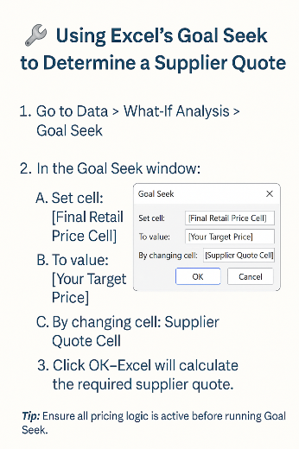
 |  |  |  | Validate if final retail price Minimum Retail Price - MRP Index Factor
 |  |  |  | LCBOPricingHelpfulToolsandLinks | Doing Business with LCBO

 |  |  |  | Licensee/Wholesale Pricing
 |  |  |  | Basic Price | #VALUE!

 |  |  |  | 10% Discount | #VALUE!
 |  |  |  | Discounted Basic | #VALUE!
 |  |  |  | HST | #VALUE!
 |  |  |  | Deposit | #DIV/0!
 |  |  |  | Licensee/Wholesale Price | #VALUE!
 |  |  |  | Licensee/Wholesale Discount applicable until April 1, 2026

BeerOntario
Retail Price Estimate Tool produces Estimates Only

This is the amount the supplier gets paid
Enter Variables in ALL BLUE boxes only:
Desired Home Consumer Price |  |  |  | CASE QUOTE | #N/A
Brewery Type |  |  |  | Supplier Quote per unit | #N/A | Comments/Notes
Delivery Type |  |  |  | In Store COS | 0.0000 | Comments/Notes
Refillable |  |  |  | Out Store COS | 0.0000 | Licensee/Wholesale price pre-April 1
Container Type |  |  |  | Mark Up | 0.0000 | Basic Price | #N/A
Freight Rate |  |  |  | Volume Levy | 0.0000 | 10% Discount | #N/A
Selling Unit Size (litres) |  |  |  | Environmental Fee | 0.0000 | Discounted Basic | #N/A
Units per Case |  |  |  | Excise Rate per Litre | 0.0000 | HST | #N/A
Containers/Selling Unit |  |  |  | Basic Price (not rounded) | #N/A | Deposit | #N/A
This is what the wholesale customer pays
Alcohol Percentage |  | Check UnRounded Retail |  | Basic Price (rounded) | #N/A | Total (per btl) | #N/A
 |  |  |  | HST | #N/A | Total (per case) | #N/A
CALCULATED SUPPLIER QUOTE | #N/A | #N/A | #N/A | Container Deposit | #N/A
 |  |  |  | Rounded Retail: | #N/A

In Store Cost of Service | 0.7411
Out of Store Cost of Service | 0.2006
Basic Fee | #N/A
Bottle Levy | 0.176
Environmental Fee | 0.0893 |  |  | Validate if final retail price Minimum Retail Price - MRP Index Factor
Container Deposit Rate | #N/A |  |  | LCBOPricingHelpfulToolsandLinks | Doing Business with LCBO
HST | 13.00%
Excise rate per litre | 0.0000 |  |  | Maximize Quote | 29.57 | LICENCEE PRICING:
Duty Rate per litre | 0.0000 |  |  | Freight | - | For products listed at TBS, the supplier is required to set the licensee price for beer which can be higher or lower than the home consumer price, so long as it meets the minimum retail price
 |  |  |  | Dep | #N/A
 |  |  |  | Basic Fee | #N/A
 |  |  |  | Eviron | 0
 |  |  |  | Levy | 0.00
 |  |  |  | In Store COS (case) | 0.0000
 |  |  |  | Out Store COSE (case) | 0
 |  |  |  | Basic Price Case | #N/A
 |  |  |  | Basic Price Bottle | #N/A
 |  |  |  | HST | #N/A
 |  |  |  | Dep | #N/A
 |  |  |  | Retail | #N/A
 |  |  |  | Rounded Retail | #N/A

GiftPack_Cooler RTD Cider
Retail Price Estimate Tool produces Estimates Only

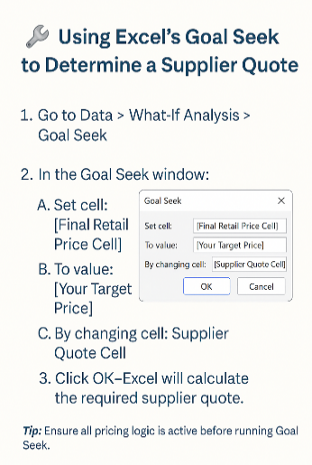
Enter Variables in ALL BLUE boxes only:
Type of Product |  |  |  | PRICING BREAKDOWN: |  | Packaging |  | Liquid |  | Comments/Notes
Trade Deal |  |  |  | Supplier Quote (CDN) | $0.0000 | Packaging Quote (CDN) | $0.0000 | Liquid Quote (CDN) | $0.0000
COSD Region |  |  |  | Excise | #N/A | Excise | $0.00 | Excise | #N/A
Supplier Quote |  |  |  | Duty | 0.0000 | Duty | $0.00 | Duty | FALSE
Liquid Cost |  |  |  | Freight Rate | 0.0000 | Freight Rate | $0.00 | Freight Rate | 0.0000
Packaging Cost |  |  |  | Landed Cost | #N/A | Landed Cost | $0.00 | Landed Cost | #N/A
Exchange Rate |  |  |  | Markup | #N/A | Markup | $0.00 | Markup | #N/A
Freight Rate |  |  |  | Sub-Total case | #N/A | Sub-Total case | $0.00 | Sub-Total case | #N/A
Selling Unit Size (litres)
Units per Case |  |  |  | Sub-Total (selling unit) | #DIV/0! | Sub-Total (selling unit) | #DIV/0! | Sub-Total (selling unit) | #N/A
Containers/Selling Unit |  |  |  | Volume Levy | 0.0000 | Volume Levy | $0.00 | Volume Levy | 0.0000
Alcohol Percentage |  | Check UnRounded Retail |  | COSD Amount | #N/A | COSD Amount | $0.00 | COSD Amount | #N/A
FINAL RETAIL | #N/A | #N/A | #N/A | Environmental Fee | 0 | Environmental Fee | $0.00 | Environmental Fee | 0
 |  |  |  | Basic Price (not rounded) | #DIV/0! | Basic Price (not rounded) | #DIV/0! | Basic Price (not rounded) | #N/A
Excise Rate | #N/A |  |  | HST | #DIV/0! | HST | #DIV/0! | HST | #N/A | Licensee/Wholesale Pricing
Duty Rate | 0.1228 | Check Mark Up |  | Retail (not rounded) | #DIV/0! | Retail (not rounded) | #DIV/0! | Retail (not rounded) | #N/A | Basic Price | #DIV/0!
MARKUP | #N/A | #N/A | #N/A | Rounded Retail: Basic Price | #N/A
VOLUME LEVY | 0.2800 |  |  | HST | #N/A |  |  |  |  | 10% Discount | #DIV/0!
ENVIRO FEE ($/Btl) | 0.0893 |  |  | Retail | #N/A | ROUNDED RETAIL | #DIV/0! | ROUNDED RETAIL | #N/A | Discounted Basic | #DIV/0!
HST | 13.00% |  |  | Container Deposit | #DIV/0! |  |  |  |  | HST | #DIV/0!
Container Deposit Rate | #DIV/0! |  |  | FINAL RETAIL PRICE | #N/A |  |  |  |  | Deposit | #DIV/0!
COSD RATE | #N/A |  |  | #DIV/0! |  |  |  |  |  | Licensee/Wholesale Price | #DIV/0!
Litres of absolute alcohol | - |  |  |  |  |  |  |  |  | Licensee/Wholesale Discount applicable until April 1, 2026

Contact Info
Contact Information & Helpful Links
Pricing Inquiries | pricing@lcbo.com
Freight Rate Inquiry | freightrate.inquiry@lcbo.com
Certificate of Origins Submission and Inquiries | origin.certificates@lcbo.com
Customs Department | Customs.Department@lcbo.com
Customs Free Trade Agreement (FTA) hub - Forms and Resurces | FTA Resource Hub
Price Estimate Tool | Price Estimation Tool
Links to Standard Freight Rates, Exchange Rates, MRP Lists & other useful resources | Doing Business with LCBO
Quote Change Schedule | Quote Change Schedule
Quote Submission Forms | LCBOPricingHelpfulToolsandLinks | Doing Business with LCBO
New Item pricing and set up - please contact the appropriate category team for more details on this process
List of countries under regions of origin used for determining COSD rates | Excise COSD Effective April 1 2021 | Doing Business with LCBO
Excise Rates | https://www.canada.ca/en/revenue-agency/services/forms-publications/publications/edrates/excise-duty-rates.html
Container Deposit Rates | https://www.ontario.ca/laws/regulation/210745#BK18

